Sheet1
Brand | Article | Afbeelding | Total | 36 | 37 | 38 | 38,5 | 39 | 40 | 40,5 | 41 | 42 | 42.5 | Retail
VANS | VN0A3B3UY281 Old Skool Platform | 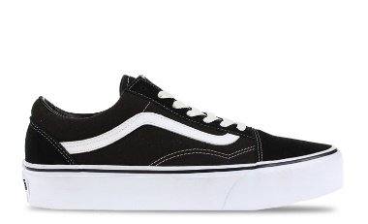 | 144 | 25 | 20 | 21 |  | 20 | 20 |  | 20 | 18 |  | € 85,-
VANS | VN000D3HY281 Old skool |  | 112 | 20 | 25 | 20 |  | 17 | 11 |  | 14 | 5 |  | € 75,-
VANS | VN0A3B3UHRK1 Old Skool Platform |  | 97 | 12 | 1 | 20 |  | 15 | 11 | 2 | 15 | 20 | 1 | € 85,-
VANS | VN0A38G1P0S1 Old Skool | 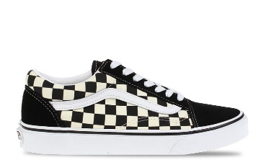 | 70 | 5 | 5 | 30 | 6 | 15 |  |  | 3 | 6 |  | € 80,-
 |  |  | 423

